Spinning Mills
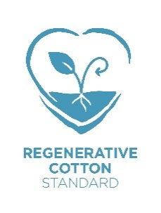
2025-08-08

REGENERATIVE COTTON STANDARD
Country | Supplier | Y - Yarn, YT - Yarn Trader, F - Fabric, FT - Fabric Trader, DH- Dye House, RG - Ready Garment | Contact Person | Email | Validity Date (Yellow: expiring in 1 month)
INDIA | Akshara Spinning Mills Pvt. Ltd. | Y | Mitun S | depotacc@aksharatextiles.com | 2026-08-30

